Midterm
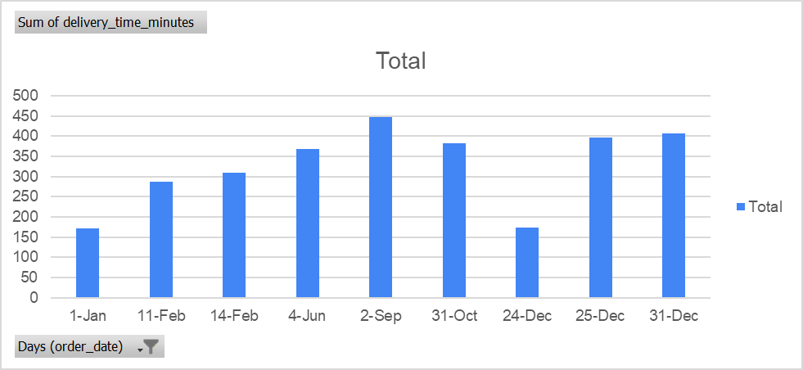
Stephania Covarrubias | Morgan's Chart Below: | Row Labels | Sum of delivery_time_minutes
Morgan Ingram | Question: Which holiday has the highest delivery minutes? (gonna ask professor if i can change our questions) | 2026-01-01 | 172
Questions Below: |  | 2026-02-11 | 287
Is there a relationship between delivery time and customer ratings? Do late deliveries actually lead to worse ratings, and how strong is that effect? |  | 2026-02-14 | 310
Which holiday has the highest delivery minutes? |  | 2026-06-04 | 368
How do delivery times vary depending on the size of an order (number of items) or type of food? Do bigger orders take longer, or does it depend more on what you ordered? |  | 2026-09-02 | 448
 |  | 2026-10-31 | 383
 |  | 2026-12-24 | 174
 |  | 2026-12-25 | 396
 |  | 2026-12-31 | 407
 |  | Grand Total | 2945

Analysis
Order Status | Count | Average Delivery Time | Average Rating
Delivered | 895 | 51.30391061 | 3.752960894
Delayed | 832 | 52.30048077 | 3.768269231
Cancelled | 873 | 51.67812142 | 3.728293242

Average Rating by Delivery Speed
Time Buckets | Average Rating
0-30 | 3.762980769
30-45 | 3.681132075 |  |  | 895
45-60 | 3.773652695 |  |  | 3.762980769
60-75 | 3.837234043
75+ | 3.695375723

Metric | Value
Correlation (Time vs Rating) | 0.01863891912

Average Delivery Time by Food T
Food Type | Average Delivery Time
🍛 Indian | 49.94444444
🥐 Bakery | 52.85714286
☕ Cafe | 51.66257669
🥡 Chinese | 50.90728477
🍔 Fast Food | 50.86524823
🍝 Italian | 51.72519084

Average Delivery Time Across Food Type (in Minutes)

Average Delivery Time by Order
Order Size | Average Time by Order Size |  | 895
Small (<$400) | 51.50961538 | 0
Medium ($400-700) | 51.2480916 |  | 895
Large ($700-1000) | 51.37984496
XL ($1000+) | 51.01796407

 |  | 9

Average Delivery Time Across Order Sizes (in Minutes)
0

 | Food Type | Average Delivery Time
 | 🍛 Indian | 49.94444444
 | 🥐 Bakery | 52.85714286
 | ☕ Cafe | 51.66257669
 | 🥡 Chinese | 50.90728477
 | 🍔 Fast Food | 50.86524823
 |  |  |  | Food Type | Average Delivery Time
 |  |  |  | 🍛 Indian | 49.94444444
 |  |  |  | 🥐 Bakery | 52.85714286
 |  |  |  | ☕ Cafe | 51.66257669
 |  |  |  | 🥡 Chinese | 50.90728477
 |  |  |  | 🍔 Fast Food | 50.86524823

